Calcs
Year | Diesel Engine Efficiency [-] | Source/Method | Diesel Engine Efficiency [-] | Source/Method | Diesel Engine Efficiency [-] | Source/Method | Diesel Engine Efficiency [-] | Source/Method | Indexed Diesel Engine Efficiency (2018i) [-] | Energy Efficiency [-]
1960 | 33.94% | Xin & Pinzon (2014) | 33.70% | Detroit (2012) |  |  | 33.94% | Xin & Pinzon (2014) | 0.74 | 22.86%
1961 | 33.87% | Xin & Pinzon (2014) | 33.80% | Detroit (2012) |  |  | 33.87% | Xin & Pinzon (2014) | 0.74 | 22.82%
1962 | 34.02% | Xin & Pinzon (2014) | 33.80% | Detroit (2012) |  |  | 34.02% | Xin & Pinzon (2014) | 0.74 | 22.92%
1963 | 34.17% | Xin & Pinzon (2014) | 33.90% | Detroit (2012) |  |  | 34.17% | Xin & Pinzon (2014) | 0.74 | 23.02%
1964 | 34.32% | Xin & Pinzon (2014) | 33.90% | Detroit (2012) |  |  | 34.32% | Xin & Pinzon (2014) | 0.75 | 23.12%
1965 | 34.47% | Xin & Pinzon (2014) | 34.00% | Detroit (2012) |  |  | 34.47% | Xin & Pinzon (2014) | 0.75 | 23.22%
1966 | 34.52% | Xin & Pinzon (2014) | 34.10% | Detroit (2012) |  |  | 34.52% | Xin & Pinzon (2014) | 0.75 | 23.25%
1967 | 34.56% | Xin & Pinzon (2014) | 34.20% | Detroit (2012) |  |  | 34.56% | Xin & Pinzon (2014) | 0.75 | 23.28%
1968 | 34.60% | Xin & Pinzon (2014) | 34.20% | Detroit (2012) |  |  | 34.60% | Xin & Pinzon (2014) | 0.75 | 23.31%
1969 | 34.64% | Xin & Pinzon (2014) | 34.30% | Detroit (2012) |  |  | 34.64% | Xin & Pinzon (2014) | 0.75 | 23.33%
1970 | 34.68% | Xin & Pinzon (2014) | 34.40% | Detroit (2012) | 40.96% | Shrnivasa (2012) | 34.68% | Xin & Pinzon (2014) | 0.76 | 23.36%
1971 | 34.72% | Xin & Pinzon (2014) | 34.60% | Detroit (2012) | 41.10% | Shrnivasa (2012) | 34.72% | Xin & Pinzon (2014) | 0.76 | 23.39%
1972 | 34.76% | Xin & Pinzon (2014) | 34.70% | Detroit (2012) | 41.24% | Shrnivasa (2012) | 34.76% | Xin & Pinzon (2014) | 0.76 | 23.42%
1973 | 34.80% | Xin & Pinzon (2014) | 34.90% | Detroit (2012) | 41.39% | Shrnivasa (2012) | 34.80% | Xin & Pinzon (2014) | 0.76 | 23.45%
1974 | 34.84% | Xin & Pinzon (2014) | 35.00% | Detroit (2012) | 41.53% | Shrnivasa (2012) | 34.84% | Xin & Pinzon (2014) | 0.76 | 23.47%
1975 | 34.90% | Xin & Pinzon (2014) | 35.20% | Detroit (2012) | 41.67% | Shrnivasa (2012) | 34.90% | Xin & Pinzon (2014) | 0.76 | 23.51%
1976 | 35.09% | Xin & Pinzon (2014) | 35.30% | Detroit (2012) | 41.84% | Shrnivasa (2012) | 35.09% | Xin & Pinzon (2014) | 0.76 | 23.64%
1977 | 35.29% | Xin & Pinzon (2014) | 35.50% | Detroit (2012) | 42.01% | Shrnivasa (2012) | 35.29% | Xin & Pinzon (2014) | 0.77 | 23.78%
1978 | 35.49% | Xin & Pinzon (2014) | 35.70% | Detroit (2012) | 42.18% | Shrnivasa (2012) | 35.49% | Xin & Pinzon (2014) | 0.77 | 23.91%
1979 | 35.69% | Xin & Pinzon (2014) | 35.90% | Detroit (2012) | 42.35% | Shrnivasa (2012) | 35.69% | Xin & Pinzon (2014) | 0.78 | 24.05%
1980 | 35.89% | Xin & Pinzon (2014) | 36.10% | Detroit (2012) | 42.52% | Shrnivasa (2012) | 35.89% | Xin & Pinzon (2014) | 0.78 | 24.18%
1981 | 36.20% | Xin & Pinzon (2014) | 36.40% | Detroit (2012) | 42.77% | Shrnivasa (2012) | 36.20% | Xin & Pinzon (2014) | 0.79 | 24.39%
1982 | 36.50% | Xin & Pinzon (2014) | 36.60% | Detroit (2012) | 43.02% | Shrnivasa (2012) | 36.50% | Xin & Pinzon (2014) | 0.80 | 24.59%
1983 | 36.81% | Xin & Pinzon (2014) | 36.90% | Detroit (2012) | 43.27% | Shrnivasa (2012) | 36.81% | Xin & Pinzon (2014) | 0.80 | 24.80%
1984 | 37.12% | Xin & Pinzon (2014) | 37.20% | Detroit (2012) | 43.52% | Shrnivasa (2012) | 37.12% | Xin & Pinzon (2014) | 0.81 | 25.00%
1985 | 37.42% | Xin & Pinzon (2014) | 37.50% | Detroit (2012) | 43.77% | Shrnivasa (2012) | 37.42% | Xin & Pinzon (2014) | 0.82 | 25.21%
1986 | 37.71% | Xin & Pinzon (2014) | 37.90% | Detroit (2012) | 44.09% | Shrnivasa (2012) | 37.71% | Xin & Pinzon (2014) | 0.82 | 25.40%
1987 | 37.99% | Xin & Pinzon (2014) | 38.20% | Detroit (2012) | 44.41% | Shrnivasa (2012) | 37.99% | Xin & Pinzon (2014) | 0.83 | 25.59%
1988 | 38.27% | Xin & Pinzon (2014) | 38.60% | Detroit (2012) | 44.73% | Shrnivasa (2012) | 38.27% | Xin & Pinzon (2014) | 0.83 | 25.78%
1989 | 38.56% | Xin & Pinzon (2014) | 39.00% | Detroit (2012) | 45.06% | Shrnivasa (2012) | 38.56% | Xin & Pinzon (2014) | 0.84 | 25.97%
1990 | 38.84% | Xin & Pinzon (2014) | 39.30% | Detroit (2012) | 45.38% | Shrnivasa (2012) | 38.84% | Xin & Pinzon (2014) | 0.85 | 26.17%
1991 | 39.44% | Xin & Pinzon (2014) | 39.80% | Detroit (2012) | 45.75% | Shrnivasa (2012) | 39.44% | Xin & Pinzon (2014) | 0.86 | 26.57%
1992 | 40.06% | Xin & Pinzon (2014) | 40.20% | Detroit (2012) | 46.13% | Shrnivasa (2012) | 40.06% | Xin & Pinzon (2014) | 0.87 | 26.99%
1993 | 40.67% | Xin & Pinzon (2014) | 40.70% | Detroit (2012) | 46.52% | Shrnivasa (2012) | 40.67% | Xin & Pinzon (2014) | 0.89 | 27.40%
1994 | 41.30% | Xin & Pinzon (2014) | 41.10% | Detroit (2012) | 46.90% | Shrnivasa (2012) | 41.30% | Xin & Pinzon (2014) | 0.90 | 27.82%
1995 | 41.91% | Xin & Pinzon (2014) | 41.60% | Detroit (2012) | 47.28% | Shrnivasa (2012) | 41.91% | Xin & Pinzon (2014) | 0.91 | 28.24%
1996 | 42.37% | Xin & Pinzon (2014) | 42.00% | Detroit (2012) | 47.70% | Shrnivasa (2012) | 42.37% | Xin & Pinzon (2014) | 0.92 | 28.54%
1997 | 42.81% | Xin & Pinzon (2014) | 42.40% | Detroit (2012) | 48.13% | Shrnivasa (2012) | 42.81% | Xin & Pinzon (2014) | 0.93 | 28.84%
1998 | 43.31% | Xin & Pinzon (2014) | 42.80% | Detroit (2012) | 48.56% | Shrnivasa (2012) | 43.31% | Xin & Pinzon (2014) | 0.94 | 29.18%
1999 | 43.83% | Xin & Pinzon (2014) | 43.00% | Detroit (2012) | 48.98% | Shrnivasa (2012) | 43.83% | Xin & Pinzon (2014) | 0.96 | 29.53%
2000 | 44.35% | Xin & Pinzon (2014) | 43.20% | Detroit (2012) | 49.41% | Shrnivasa (2012) | 44.35% | Xin & Pinzon (2014) | 0.97 | 29.88%
2001 | 43.97% | Xin & Pinzon (2014) | 43.30% | Detroit (2012) | 49.52% | Shrnivasa (2012) | 43.97% | Xin & Pinzon (2014) | 0.96 | 29.62%
2002 | 41.95% | Xin & Pinzon (2014) |  |  | 49.60% | Shrnivasa (2012) | 41.95% | Xin & Pinzon (2014) | 0.91 | 28.26%
2003 | 42.06% | Xin & Pinzon (2014) |  |  | 49.67% | Shrnivasa (2012) | 42.06% | Xin & Pinzon (2014) | 0.92 | 28.34%
2004 | 42.17% | Xin & Pinzon (2014) |  |  | 49.74% | Shrnivasa (2012) | 42.17% | Xin & Pinzon (2014) | 0.92 | 28.41%
2005 | 42.28% | Xin & Pinzon (2014) |  |  | 49.81% | Shrnivasa (2012) | 42.28% | Xin & Pinzon (2014) | 0.92 | 28.49%
2006 | 42.44% | Xin & Pinzon (2014) |  |  | 49.88% | Shrnivasa (2012) | 42.44% | Xin & Pinzon (2014) | 0.92 | 28.59%
2007 | 42.60% | Xin & Pinzon (2014) |  |  |  |  | 42.60% | Xin & Pinzon (2014) | 0.93 | 28.70%
2008 | 42.86% | Xin & Pinzon (2014) |  |  |  |  | 42.86% | Xin & Pinzon (2014) | 0.93 | 28.87%
2009 | 43.15% | Xin & Pinzon (2014) |  |  |  |  | 43.15% | Xin & Pinzon (2014) | 0.94 | 29.07%
2010 | 43.43% | Xin & Pinzon (2014) |  |  |  |  | 43.43% | Xin & Pinzon (2014) | 0.95 | 29.26%
2011 |  |  |  |  |  |  | 44.27% | Linear extrapolation | 0.96 | 29.82%
2012 |  |  |  |  |  |  | 44.50% | Linear extrapolation | 0.97 | 29.98%
2013 |  |  |  |  |  |  | 44.73% | Linear extrapolation | 0.97 | 30.13%
2014 |  |  |  |  |  |  | 44.96% | Linear extrapolation | 0.98 | 30.29%
2015 |  |  |  |  |  |  | 45.19% | Linear extrapolation | 0.98 | 30.44%
2016 |  |  |  |  |  |  | 45.42% | Linear extrapolation | 0.99 | 30.60%
2017 |  |  |  |  |  |  | 45.65% | Linear extrapolation | 0.99 | 30.75%
2018 |  |  |  |  |  |  | 45.88% | Linear extrapolation | 1.00 | 30.91%
2019 |  |  |  |  |  |  | 46.11% | Linear extrapolation | 1.01 | 31.06%
2020 |  |  |  |  |  |  | 46.34% | Linear extrapolation | 1.01 | 31.22%

Masih-Tehrani_2020
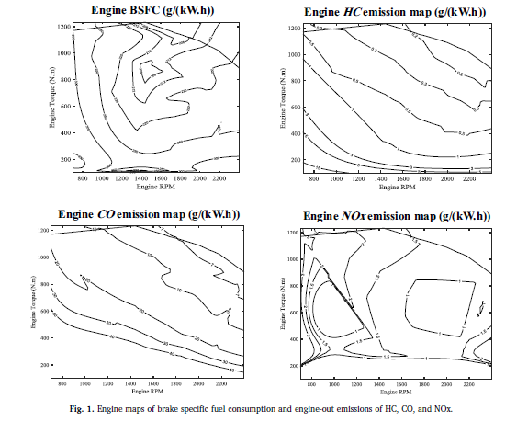
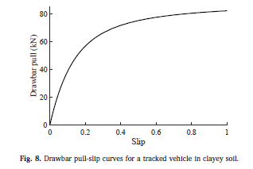
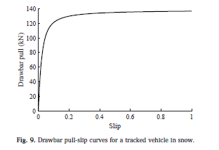
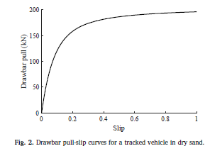
Masih-Tehrani et al (2020) - Combined fuel consumption and emission optimisation model for heavy construction equipment
https://doi.org/10.1016/j.autcon.2019.103007

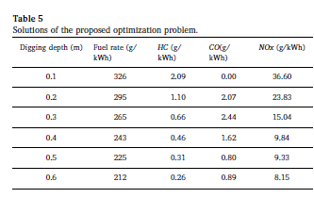
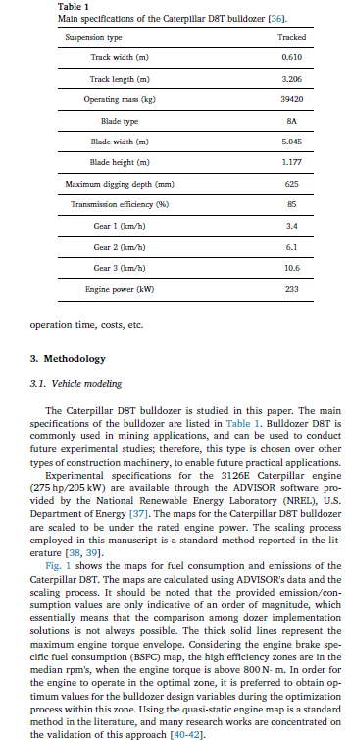
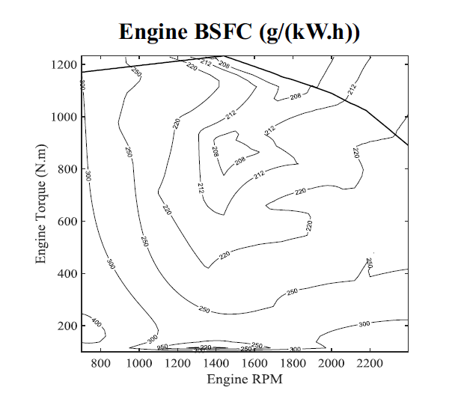
Caterpillar D8T with 233 kW engine power and 8A type blade

Digging depth | Fuel rate |  |  | Output/Input Efficiency | Transmission efficiency | overall efficiency
 | g/kWh | MJ/kWh | MJ/MJ | % | %
0.1 | 326 | 14.34 | 3.98 | 25% | 85% | 21.3%
0.2 | 295 | 12.98 | 3.61 | 28% | 85% | 23.6%
0.3 | 265 | 11.66 | 3.24 | 31% | 85% | 26.2%
0.4 | 243 | 10.69 | 2.97 | 34% | 85% | 28.6%
0.5 | 225 | 9.90 | 2.75 | 36% | 85% | 30.9%
0.6 | 212 | 9.33 | 2.59 | 39% | 85% | 32.8%

Take Engine Specific Fuel Consumption = 225g/kWh, corresponding to 0.5m digging depth

https://world-nuclear.org/information-library/facts-and-figures/heat-values-of-various-fuels.aspx
Diesel fuel | 42-46 MJ/kg
Take | 44
Also 1kWh = 3,600,000J = 3.6MJ

 |  |  |  |  |  |  | not used
 |  |  |  |  |  |  | Drawbar pull |  | Vehicle speed |  | work done
 |  |  |  |  |  |  |  | kN = kJ/m | km/h | m/s | kJ/s = kW | kWh
 |  |  |  |  |  |  | Snow | 120 | 10.6 | 2.94 | 353 | 1,272,000

Xin_2014
Xin & Pinzon (2014) - 9 - Improving the environmental performance of heavy-duty vehicles and engines: key issues and system design approaches
https://doi.org/10.1533/9780857097422.2.225

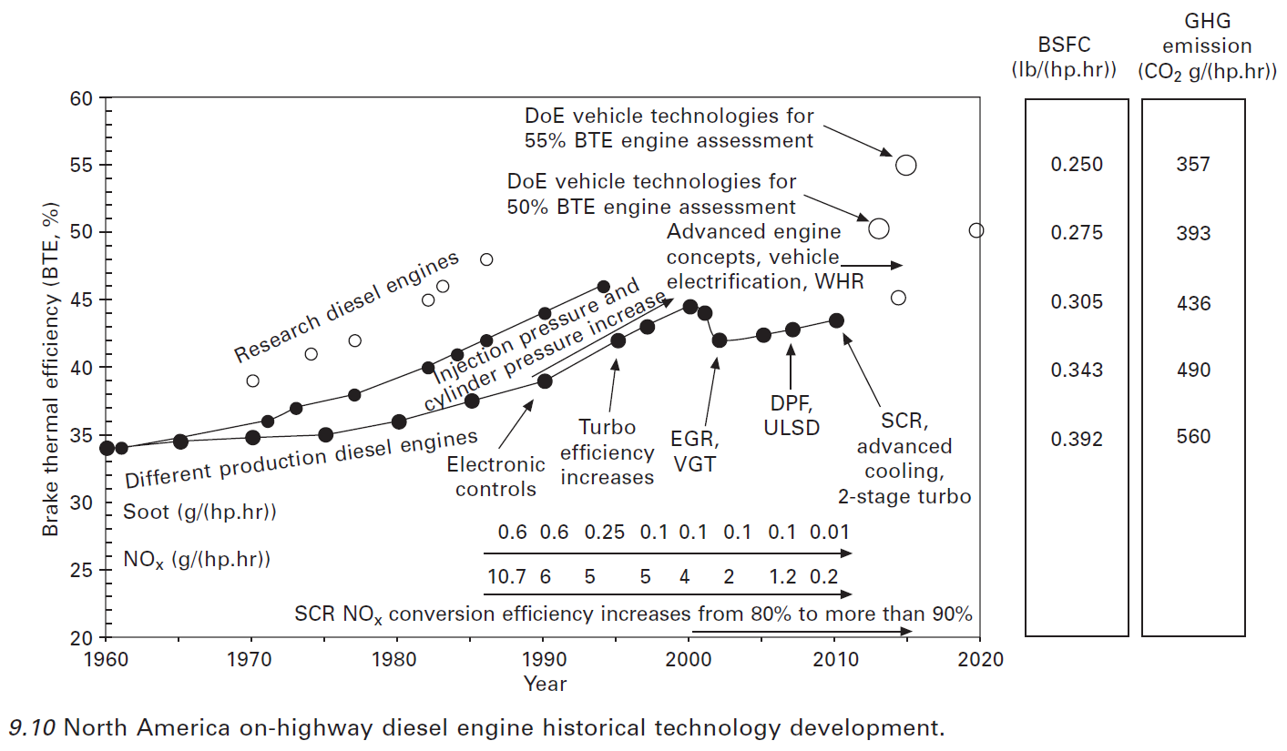
Year | Efficiency [%] | Efficiency [-] | 5 year average
1960 | 33.94 | 33.94%
1961 | 33.87 | 33.87%
1962 | 34.02 | 34.02%
1963 | 34.17 | 34.17%
1964 | 34.32 | 34.32% | 34.1%
1965 | 34.47 | 34.47% | 34.2%
1966 | 34.52 | 34.52% | 34.3%
1967 | 34.56 | 34.56% | 34.4%
1968 | 34.60 | 34.60% | 34.5%
1969 | 34.64 | 34.64% | 34.6%
1970 | 34.68 | 34.68% | 34.6%
1971 | 34.72 | 34.72% | 34.6%
1972 | 34.76 | 34.76% | 34.7%
1973 | 34.80 | 34.80% | 34.7%
1974 | 34.84 | 34.84% | 34.8%
1975 | 34.90 | 34.90% | 34.8%
1976 | 35.09 | 35.09% | 34.9%
1977 | 35.29 | 35.29% | 35.0%
1978 | 35.49 | 35.49% | 35.1%
1979 | 35.69 | 35.69% | 35.3%
1980 | 35.89 | 35.89% | 35.5%
1981 | 36.20 | 36.20% | 35.7%
1982 | 36.50 | 36.50% | 36.0%
1983 | 36.81 | 36.81% | 36.2%
1984 | 37.12 | 37.12% | 36.5%
1985 | 37.42 | 37.42% | 36.8%
1986 | 37.71 | 37.71% | 37.1%
1987 | 37.99 | 37.99% | 37.4%
1988 | 38.27 | 38.27% | 37.7%
1989 | 38.56 | 38.56% | 38.0%
1990 | 38.84 | 38.84% | 38.3%
1991 | 39.44 | 39.44% | 38.6%
1992 | 40.06 | 40.06% | 39.0%
1993 | 40.68 | 40.67% | 39.5%
1994 | 41.30 | 41.30% | 40.1%
1995 | 41.91 | 41.91% | 40.7%
 | 34.17%
 | 34.32% | 34.1%
 | 34.47% | 34.2%
 | 34.52% | 34.3%
 | 34.56% | 34.4%
 | 34.60% | 34.5%
 | 34.64% | 34.6%
 | 34.68% | 34.6%
 | 34.72% | 34.6%
 | 34.76% | 34.7%
 | 34.80% | 34.7%
 | 34.84% | 34.8%
 | 34.90% | 34.8%
 | 35.09% | 34.9%
 | 35.29% | 35.0%
 | 35.49% | 35.1%
 | 35.69% | 35.3%
 | 35.89% | 35.5%
 | 36.20% | 35.7%
 | 36.50% | 36.0%
 | 36.81% | 36.2%
 | 37.12% | 36.5%
 | 37.42% | 36.8%
 | 37.71% | 37.1%
 | 37.99% | 37.4%
 | 38.27% | 37.7%
 | 38.56% | 38.0%
 | 38.84% | 38.3%
 | 39.44% | 38.6%
 | 40.06% | 39.0%
 | 40.67% | 39.5%
 | 41.30% | 40.1%
 | 41.91% | 40.7%
 | 42.37% | 41.3%
 | 42.81% | 41.8%
 | 43.31% | 42.3%
 | 43.83% | 42.8%
 | 44.35% | 43.3%
 | 43.97% | 43.7%
 | 41.95% | 43.5%
 | 42.06% | 43.2%
 | 42.17% | 42.9%
 | 42.28% | 42.5%
 | 42.44% | 42.2%
 | 42.60% | 42.3%
 | 42.86% | 42.5%
1996 | 42.37 | 42.37% | 41.3%
1997 | 42.81 | 42.81% | 41.8%
1998 | 43.31 | 43.31% | 42.3%
1999 | 43.83 | 43.83% | 42.8%
2000 | 44.35 | 44.35% | 43.3%
2001 | 43.97 | 43.97% | 43.7%
2002 | 41.95 | 41.95% | 43.5%
2003 | 42.06 | 42.06% | 43.2%
2004 | 42.17 | 42.17% | 42.9%
2005 | 42.28 | 42.28% | 42.5%
2006 | 42.44 | 42.44% | 42.2%
2007 | 42.60 | 42.60% | 42.3%
2008 | 42.86 | 42.86% | 42.5%
2009 | 43.15 | 43.15% | 42.7%
2010 | 43.43 | 43.43% | 42.9%

PB COMMENTS
Date: 05/08/2021
Country | Energy.type | Last.stage | Method | Machine | Eu.product | Quantity | 1960 | 1961 | 1962 | 1963 | 1964 | 1965 | 1966 | 1967 | 1968 | 1969 | 1970 | 1971 | 1972 | 1973 | 1974 | 1975 | 1976 | 1977 | 1978 | 1979 | 1980 | 1981 | 1982 | 1983 | 1984 | 1985 | 1986 | 1987 | 1988 | 1989 | 1990 | 1991 | 1992 | 1993 | 1994 | 1995 | 1996 | 1997 | 1998 | 1999 | 2000 | 2001 | 2002 | 2003 | 2004 | 2005 | 2006 | 2007 | 2008 | 2009 | 2010 | 2011 | 2012 | 2013 | 2014 | 2015 | 2016 | 2017 | 2018 | 2019 | 2020
WLD | E | Final | PCM | Diesel bulldozers | MW | eta.fu | 22.86% | 22.82% | 22.92% | 23.02% | 23.12% | 23.22% | 23.25% | 23.28% | 23.31% | 23.33% | 23.36% | 23.39% | 23.42% | 23.45% | 23.47% | 23.51% | 23.64% | 23.78% | 23.91% | 24.05% | 24.18% | 24.39% | 24.59% | 24.80% | 25.00% | 25.21% | 25.40% | 25.59% | 25.78% | 25.97% | 26.17% | 26.57% | 26.99% | 27.40% | 27.82% | 28.24% | 28.54% | 28.84% | 29.18% | 29.53% | 29.88% | 29.62% | 28.26% | 28.34% | 28.41% | 28.49% | 28.59% | 28.70% | 28.87% | 29.07% | 29.26% | 29.82% | 29.98% | 30.13% | 30.29% | 30.44% | 30.60% | 30.75% | 30.91% | 31.06% | 31.22%

 |  |  |  |  |  | 5 year average |  |  |  |  | 22.95% | 23.02% | 23.11% | 23.18% | 23.24% | 23.28% | 23.31% | 23.34% | 23.36% | 23.39% | 23.42% | 23.45% | 23.50% | 23.57% | 23.66% | 23.78% | 23.91% | 24.06% | 24.22% | 24.40% | 24.59% | 24.80% | 25.00% | 25.20% | 25.40% | 25.59% | 25.78% | 26.02% | 26.30% | 26.62% | 26.99% | 27.40% | 27.80% | 28.17% | 28.52% | 28.87% | 29.19% | 29.41% | 29.29% | 29.13% | 28.90% | 28.62% | 28.42% | 28.50% | 28.61% | 28.74% | 28.90% | 29.14% | 29.40% | 29.65% | 29.90% | 30.13% | 30.29% | 30.44% | 30.60% | 30.75% | 30.91%

 | PB comment |  |  |  |  |  |  |  |  |  |  |  |  | ZM Comments
 | 1 | maybe we use a 5 year average to smoooth out peaks, reflecting that the bulldozer stock efficiency is average of new engine + previous 5-7 years |  |  |  |  |  |  |  |  |  |  |  | I think we take the data as given, and only smooth when its defensible that we 'override' the underlying data
 |  | ok - agreed for v1

diesel - bulldozers
 | single year value (new engines) | 5 year average
1960 | 22.86%
1961 | 22.82%
1962 | 22.92%
1963 | 23.02%
1964 | 23.12% | 22.95%
1965 | 23.22% | 23.02%
1966 | 23.25% | 23.11%
1967 | 23.28% | 23.18%
1968 | 23.31% | 23.24%
1969 | 23.33% | 23.28%
1970 | 23.36% | 23.31%
1971 | 23.39% | 23.34%
1972 | 23.42% | 23.36%
1973 | 23.45% | 23.39%
1974 | 23.47% | 23.42%
1975 | 23.51% | 23.45%
1976 | 23.64% | 23.50%
1977 | 23.78% | 23.57%
1978 | 23.91% | 23.66%
1979 | 24.05% | 23.78%
1980 | 24.18% | 23.91%
1981 | 24.39% | 24.06%
1982 | 24.59% | 24.22%
1983 | 24.80% | 24.40%
1984 | 25.00% | 24.59%
1985 | 25.21% | 24.80%
1986 | 25.40% | 25.00%
1987 | 25.59% | 25.20%
1988 | 25.78% | 25.40%
1989 | 25.97% | 25.59%
1990 | 26.17% | 25.78%
1991 | 26.57% | 26.02%
1992 | 26.99% | 26.30%
1993 | 27.40% | 26.62%
1994 | 27.82% | 26.99%
1995 | 28.24% | 27.40%
1996 | 28.54% | 27.80%
1997 | 28.84% | 28.17%
1998 | 29.18% | 28.52%
1999 | 29.53% | 28.87%
2000 | 29.88% | 29.19%
2001 | 29.62% | 29.41%
2002 | 28.26% | 29.29%
2003 | 28.34% | 29.13%
2004 | 28.41% | 28.90%
2005 | 28.49% | 28.62%
2006 | 28.59% | 28.42%
2007 | 28.70% | 28.50%
2008 | 28.87% | 28.61%
2009 | 29.07% | 28.74%
...

